Sheet1
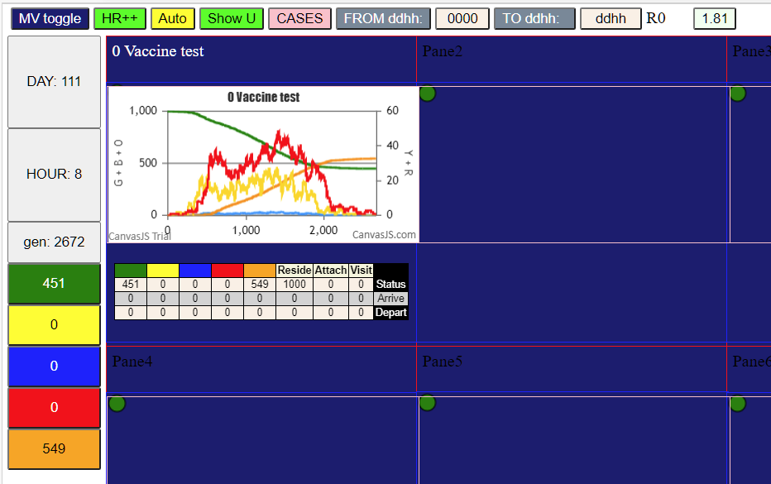

Sheet4
0 | 1000 | 0 | 0 | DAY | 100%vax | 50% | NoVax
1 | 999 | 1 | 1 | 0 | 0 | 0 | 0
2 | 999 | 1 | 1 | 1 | 1 | 1 | 3
3 | 999 | 1 | 1 | 2 | 1 | 1 | 3
4 | 998 | 2 | 2 | 3 | 2 | 1 | 4
5 | 997 | 3 | 3 | 4 | 5 | 2 | 6
6 | 997 | 3 | 3 | 5 | 8 | 3 | 9
7 | 996 | 4 | 4 | 6 | 11 | 3 | 10
8 | 996 | 4 | 4 | 7 | 13 | 4 | 13
 | 100%vax | 50% | NoVax
 | 0 | 0 | 0
 | 1 | 1 | 3
 | 1 | 1 | 3
 | 2 | 1 | 4
 | 5 | 2 | 6
 | 8 | 3 | 9
 | 11 | 3 | 10
 | 13 | 4 | 13
 | 17 | 4 | 18
 | 18 | 5 | 22
 | 23 | 6 | 30
 | 27 | 8 | 38
 | 27 | 13 | 46
 | 30 | 13 | 55
 | 32 | 15 | 62
 | 36 | 22 | 72
 | 37 | 28 | 81
 | 38 | 34 | 90
 | 42 | 47 | 103
 | 42 | 51 | 115
 | 43 | 60 | 125
 | 47 | 72 | 139
 | 48 | 78 | 155
 | 49 | 86 | 167
 | 50 | 92 | 182
 | 52 | 101 | 197
 | 54 | 108 | 210
 | 55 | 111 | 228
 | 55 | 118 | 241
 | 55 | 123 | 258
 | 57 | 131 | 272
 | 59 | 137 | 285
 | 59 | 141 | 302
 | 60 | 147 | 319
 | 62 | 159 | 333
 | 62 | 163 | 349
 | 62 | 166 | 369
 | 65 | 181 | 386
 | 67 | 188 | 404
 | 67 | 194 | 425
 | 69 | 203 | 443
 | 72 | 209 | 466
 | 72 | 217 | 486
 | 73 | 226 | 506
 | 73 | 237 | 524
 | 75 | 246 | 545
 | 76 | 256 | 563
 | 79 | 264 | 582
 | 79 | 277 | 598
 | 79 | 281 | 613
...
9 | 995 | 5 | 5 | 8 | 17 | 4 | 18
10 | 994 | 6 | 6 | 9 | 18 | 5 | 22
11 | 992 | 8 | 8 | 10 | 23 | 6 | 30
12 | 987 | 13 | 13 | 11 | 27 | 8 | 38
13 | 987 | 13 | 13 | 12 | 27 | 13 | 46
14 | 985 | 15 | 15 | 13 | 30 | 13 | 55
15 | 978 | 22 | 22 | 14 | 32 | 15 | 62
16 | 972 | 28 | 28 | 15 | 36 | 22 | 72
17 | 966 | 34 | 34 | 16 | 37 | 28 | 81
18 | 953 | 47 | 47 | 17 | 38 | 34 | 90
19 | 949 | 51 | 51 | 18 | 42 | 47 | 103
20 | 940 | 60 | 60 | 19 | 42 | 51 | 115
21 | 928 | 72 | 72 | 20 | 43 | 60 | 125
22 | 922 | 78 | 78 | 21 | 47 | 72 | 139
23 | 914 | 86 | 86 | 22 | 48 | 78 | 155
24 | 908 | 92 | 92 | 23 | 49 | 86 | 167
25 | 899 | 101 | 101 | 24 | 50 | 92 | 182
26 | 892 | 108 | 108 | 25 | 52 | 101 | 197
27 | 889 | 111 | 111 | 26 | 54 | 108 | 210
28 | 882 | 118 | 118 | 27 | 55 | 111 | 228
29 | 877 | 123 | 123 | 28 | 55 | 118 | 241
30 | 869 | 131 | 131 | 29 | 55 | 123 | 258
31 | 863 | 137 | 137 | 30 | 57 | 131 | 272
32 | 859 | 141 | 141 | 31 | 59 | 137 | 285
33 | 853 | 147 | 147 | 32 | 59 | 141 | 302
34 | 841 | 159 | 159 | 33 | 60 | 147 | 319
35 | 837 | 163 | 163 | 34 | 62 | 159 | 333
36 | 834 | 166 | 166 | 35 | 62 | 163 | 349
37 | 819 | 181 | 181 | 36 | 62 | 166 | 369
38 | 812 | 188 | 188 | 37 | 65 | 181 | 386
39 | 806 | 194 | 194 | 38 | 67 | 188 | 404
40 | 797 | 203 | 203 | 39 | 67 | 194 | 425
41 | 791 | 209 | 209 | 40 | 69 | 203 | 443
42 | 783 | 217 | 217 | 41 | 72 | 209 | 466
43 | 774 | 226 | 226 | 42 | 72 | 217 | 486
44 | 763 | 237 | 237 | 43 | 73 | 226 | 506
45 | 754 | 246 | 246 | 44 | 73 | 237 | 524
46 | 744 | 256 | 256 | 45 | 75 | 246 | 545
47 | 736 | 264 | 264 | 46 | 76 | 256 | 563
48 | 723 | 277 | 277 | 47 | 79 | 264 | 582
49 | 719 | 281 | 281 | 48 | 79 | 277 | 598
50 | 711 | 289 | 289 | 49 | 79 | 281 | 613
51 | 698 | 302 | 302 | 50 | 80 | 289 | 630
52 | 687 | 313 | 313 | 51 | 80 | 302 | 647
53 | 675 | 325 | 325 | 52 | 81 | 313 | 661
54 | 663 | 337 | 337 | 53 | 81 | 325 | 679
55 | 656 | 344 | 344 | 54 | 81 | 337 | 697
56 | 647 | 353 | 353 | 55 | 81 | 344 | 713
57 | 632 | 368 | 368 | 56 | 81 | 353 | 733
58 | 625 | 375 | 375 | 57 | 81 | 368 | 749
59 | 612 | 388 | 388 | 58 | 81 | 375 | 767
60 | 603 | 397 | 397 | 59 | 82 | 388 | 782
61 | 598 | 402 | 402 | 60 | 82 | 397 | 800
62 | 586 | 414 | 414 | 61 | 82 | 402 | 816
63 | 576 | 424 | 424 | 62 | 82 | 414 | 829
64 | 571 | 429 | 429 | 63 | 82 | 424 | 845
65 | 561 | 439 | 439 | 64 | 82 | 429 | 860
66 | 548 | 452 | 452 | 65 | 82 | 439 | 873
67 | 543 | 457 | 457 | 66 | 82 | 452 | 883
68 | 538 | 462 | 462 | 67 | 82 | 457 | 895
69 | 533 | 467 | 467 | 68 | 82 | 462 | 906
70 | 525 | 475 | 475 | 69 | 82 | 467 | 915
71 | 520 | 480 | 480 | 70 | 82 | 475 | 925
72 | 513 | 487 | 487 | 71 | 82 | 480 | 932
73 | 503 | 497 | 497 | 72 | 82 | 487 | 939
74 | 498 | 502 | 502 | 73 | 82 | 497 | 945
75 | 492 | 508 | 508 | 74 | 82 | 502 | 949
76 | 487 | 513 | 513 | 75 | 82 | 508 | 955
77 | 479 | 521 | 521 | 76 | 82 | 513 | 958
78 | 476 | 524 | 524 | 77 | 82 | 521 | 961
79 | 472 | 528 | 528 | 78 | 82 | 524 | 964
80 | 471 | 529 | 529 | 79 | 82 | 528 | 967
81 | 470 | 530 | 530 | 80 | 82 | 529 | 967
82 | 468 | 532 | 532 | 81 | 82 | 530 | 969
83 | 468 | 532 | 532 | 82 | 82 | 532 | 971
84 | 466 | 534 | 534 | 83 | 82 | 532 | 973
85 | 465 | 535 | 535 | 84 | 82 | 534 | 974
86 | 463 | 537 | 537 | 85 | 82 | 535 | 974
87 | 463 | 537 | 537 | 86 | 82 | 537 | 975
88 | 461 | 539 | 539 | 87 | 82 | 537 | 976
89 | 461 | 539 | 539 | 88 | 82 | 539 | 978
90 | 461 | 539 | 539 | 89 | 82 | 539 | 978
91 | 459 | 541 | 541 | 90 | 82 | 539 | 979
92 | 457 | 543 | 543 | 91 | 82 | 541 | 979
93 | 456 | 544 | 544 | 92 | 82 | 543 | 980
94 | 456 | 544 | 544 | 93 | 82 | 544 | 980
95 | 455 | 545 | 545 | 94 | 82 | 544 | 981
96 | 455 | 545 | 545 | 95 | 82 | 545 | 981
97 | 455 | 545 | 545 | 96 | 82 | 545 | 982
98 | 454 | 546 | 546 | 97 | 82 | 545 | 982
99 | 454 | 546 | 546 | 98 | 82 | 546 | 982
100 | 454 | 546 | 546 | 99 | 82 | 546 | 982
101 | 452 | 548 | 548 | 100 | 82 | 546 | 982
102 | 452 | 548 | 548 | 101 | 82 | 548 | 982
103 | 451 | 549 | 549 | 102 | 82 | 548 | 982
104 | 451 | 549 | 549 | 103 | 82 | 549 | 979
105 | 451 | 549 | 549 | 104 | 82 | 549 | 979
106 | 451 | 549 | 549 | 105 |  | 549
107 | 451 | 549 | 549 | 106 |  | 549
108 | 451 | 549 | 549 | 107 |  | 549
109 | 451 | 549 | 549 | 108 |  | 549
110 | 451 | 549 | 549 | 109 |  | 549
111 | 451 | 549 | 549 | 110 |  | 549
 |  |  |  | 111 |  | 549

